Tags
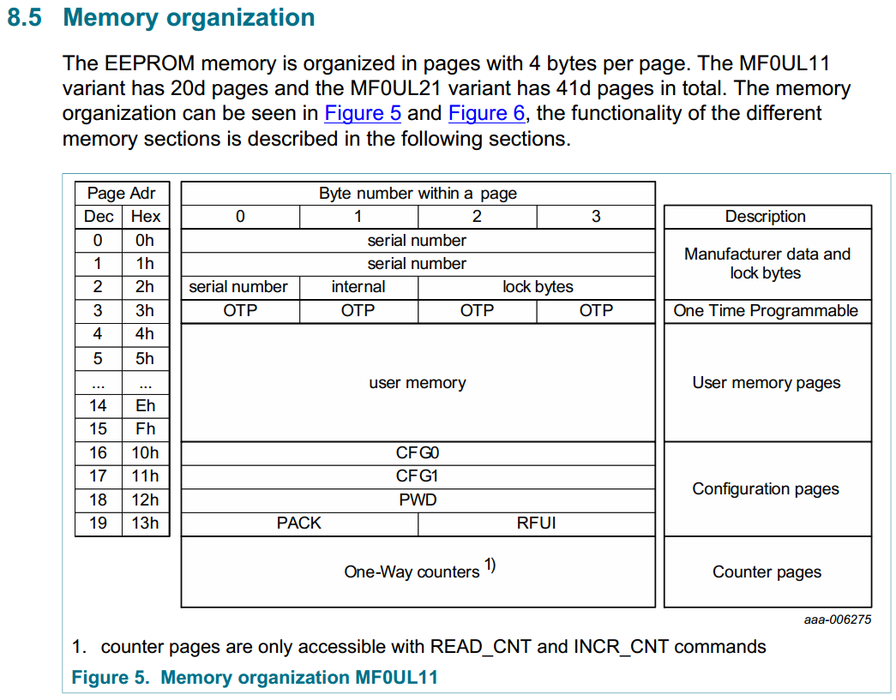
Page | mem | Oc. Coll. 50 RGB | Luis Alb. 80 RGB | Flor Cor. 80 RGB | Grind + Brew | Brew Only | Grind Only 45s | Grind Only 60s | Dark Roast ONLY | Grind Only 75s | Test Dark-RGB
 |  | 00|01|02|03
0 | 00-03 | 04682ACE | 044BF037 | 0499C4D1 | 044B09CE | 044A00C6 | 042611BB | 047820D4 | 0460EC00 | 042611BB | 047820D4
1 | 04-07 | 4ACF5984 | C2A75080 | 4ACF5980 | C2A75085 | C2A75085 | C2A75085 | C2A75084 | C2A75080 | C2A75085 | C2A75084
2 | 08-11 | 58480000 | B5480000 | 5C480000 | B0480000 | B0480000 | B0480000 | B1480000 | B5480000 | B0480000 | B1480000
3 | 12-15 | 00000000 | 00000000 | 00000000 | 00000000 | 00000000 | 00000000 | 00000000 | 00000000 | 00000000 | 00000000
4 | 16-19 | AABA5A4B | AAB84B4B | AAB44B4B | AAB64C4B | AAAA644B | AAB25A4B | AAB24B4B | AA645A32 | 00000000 | AA645A32
5 | 20-23 | 00AABA41 | 00AAB832 | 00AAB432 | 00AAB638 | 05AAAA41 | 00AAB241 | 00AAB232 | 05AA9632 | 00000000 | 00AA9632
6 | 24-27 | 464BAAB2 | 465AAAB6 | 4655AAB4 | 464EAAB6 | 465FAAB2 | 463CAAAE | 4678AAB5 | 327DAAB4 | 00000000 | 327DAAB4
7 | 28-31 | 415A00AA | 4B5A00AA | 4B5A00AA | 4C5A00AA | 5F5005AA | 415A00AA | 4B5A00AA | 463C05AA | 00000000 | 463C00AA
8 | 32-35 | B2414664 | B6324664 | B432465F | B6334664 | B241467D | AE41465A | B5324655 | C0323C96 | 00000000 | C0323C96
9 | 36-39 | 3C6E5A2D | 3C465A2D | 3C465A2D | 3C465A2D | 37465A2D | 3C465A2D | 3C465A3C | 376E3C2D | 3C465A4B | 3C465A3C
10 | 40-43 | 23012D00 | 32011E00 | 32011E00 | 32051E00 | 23060F00 | 23040F00 | 32041E00 | 23020F00 | 40041E00 | 32041E00
11 | 44-47 | 05018C55 | 0501295F | 05010149 | 0501E900 | 06016A00 | 05012901 | 0501C802 | 06018312 | 05012901 | 0501C802
12 | 48-51 | 00070000 | 00050000 | 00010000 | 00050000 | 00000000 | 00000000 | 00050000 | 000A0000 | 00000000 | 00050000
13 | 52-55 | 00000000 | 00000000 | 00000000 | 00000000 | 00000000 | 00000000 | 00000000 | 00000000 | 00000000 | 00000000
14 | 56-59 | 00000000 | 00000000 | 00000000 | 00000000 | 00000000 | 00000000 | 00000000 | 00000000 | 00000000 | 00000000
15 | 60-63 | AE000000 | E2000000 | 85000000 | FC000000 | 4F000000 | 0A000000 | 33000000 | 63000000 | 0A000000 | 33000000
16 |  | 000000FF | 000000FF | 000000FF | 000000FF | 000000FF | 000000FF | 000000FF | 000000FF | 000000FF | 000000FF
17 |  | 00050000 | 00050000 | 00050000 | 00050000 | 00050000 | 00050000 | 00050000 | 00050000 | 00050000 | 00050000
18 |  | 00000000 | 00000000 | 00000000 | 00000000 | 00000000 | 00000000 | 00000000 | 00000000 | 00000000 | 00000000
19 |  | 00000000 | 00000000 | 00000000 | 00000000 | 00000000 | 00000000 | 00000000 | 00000000 | 00000000 | 00000000 |  | switch (mem[41])
 |  |  |  |  |  |  |  |  |  | Working! | Working! | 01 | "roast, grind and brew";
 |  |  |  |  |  |  |  |  |  |  |  | 02 | "roast";
 |  | HEX | DEC |  |  |  |  |  |  | mem[39] = displayed grinding time |  | 03 | "";
 |  | 0A | 10 |  |  |  |  |  |  | 2D (DEC45) -> 45 sec |  | 04 | "grind";
 |  | 63 | 99 |  |  |  |  |  |  | 3C (DEC60) -> 60 sec |  | 05 | "grind and brew";
 |  | 29 | 41 |  |  |  |  |  |  | 4B (DEC75) -> 75 sec |  | 06 | "brew";
 |  | 0F | 15
 |  | 23 | 18 |  |  |  |  |  |  | mem[40] = real grinding time |  |  | grinding time displayed | HEX | DEC
 |  | 37 | 55 |  |  |  |  |  |  | 23 (DEC18) -> 45 sec |  |  | mem[37], [38], [39]) | 3C|46|5A|2D | 60|70|90|45 | (Grind Only 45s)
 |  | 1E | 30 |  |  |  |  |  |  | 32 (DEC50) -> 60 sec |  |  |  | 3C|46|5A|3C | 60|70|90|60 | (Grind Only 60s)
 |  | 32 | 50 |  |  |  |  |  |  | 40 (DEC64) -> 75 sec |  |  |  | 3C|46|5A|4B | 60|70|90|75 | (Grind Only 75s)
 |  | 2D | 45
 |  | 3C | 60 |  |  |  |  |  |  |  |  |  |  | 3C|6E|5A|2D | 60|110|90|45 | (Ocean Coll. 50)
 |  | 6E | 110 |  |  |  |  |  |  |  |  | 46 | CRC
 |  | 40 | 64 |  |  |  |  |  |  |  |  | 47 | 16
 |  | 4B | 75

